Supplier's Listing
 |  |  | Qty
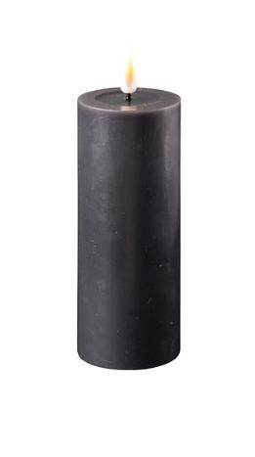 | Black Pillar Candles 5*12.5cm | Material : Wax + Plastic | 1025 | 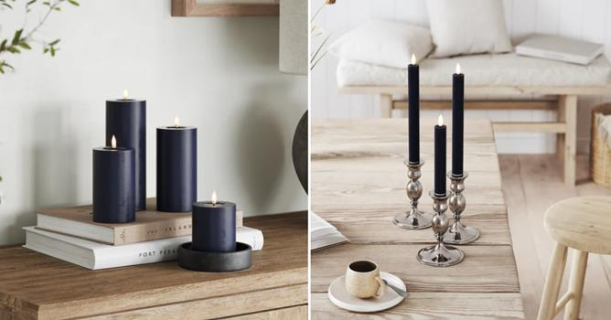
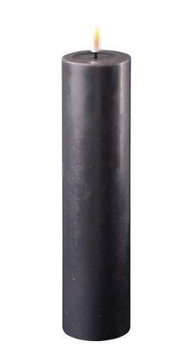 | Black Pillar Candles 5*20cm | Material : Wax + Plastic | 2930
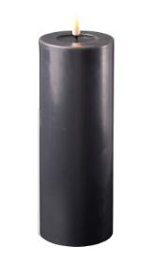 | Black Pillar Candles 7.5*20cm | Material : Wax + Plastic | 934
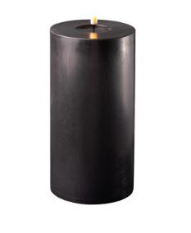 | Black Pillar Candles 10*20cm | Material : Wax + Plastic | 398
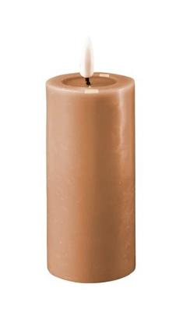 | Caramel Pillar Candle 5*12.5cm | Material : Wax + Plastic | 1846
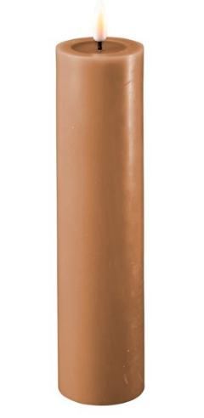 | Caramel Pillar Candle 5*20cm | Material : Wax + Plastic | 1697
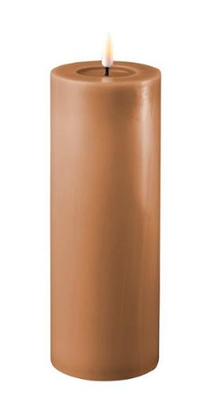 | Caramel Pillar Candle 7.5*20cm | Material : Wax + Plastic | 30
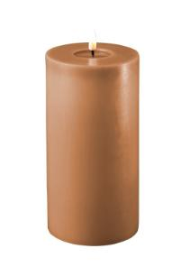 | Caramel Pillar Candle 10*20cm | Material : Wax + Plastic | 616
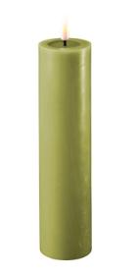 | Olive Green Pillar Candles 5*20cm | Material : Wax + Plastic | 1630
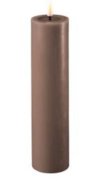 | Mocca Pillar Candle 5*20cm | Material : Wax + Plastic | 2033
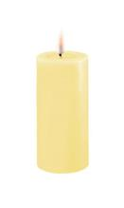 | Light Yellow Pillar Candle 5*10cm | Material : Wax + Plastic | 1428
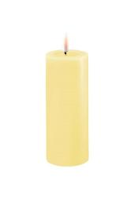 | Light Yellow Pillar Candle 5*12.5cm | Material : Wax + Plastic | 1384
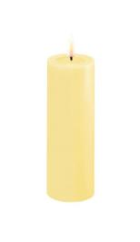 | Light Yellow Pillar Candle 5*15cm | Material : Wax + Plastic | 2703
 | Light Yellow Pillar Candle 5*20cm | Material : Wax + Plastic | 2304
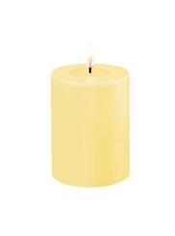 | Light Yellow Pillar Candle 7.5*10cm | Material : Wax + Plastic | 213
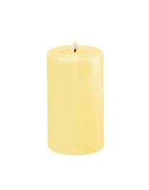 | Light Yellow Pillar Candle 7.5*12.5cm | Material : Wax + Plastic | 785
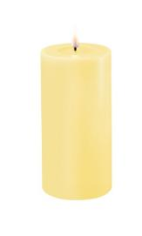 | Light Yellow Pillar Candle 7.5*15cm | Material : Wax + Plastic | 940
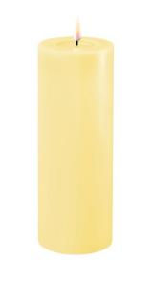 | Light Yellow Pillar Candle 7.5*20cm | Material : Wax + Plastic | 2033
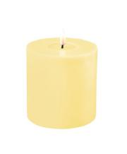 | Light Yellow Pillar Candle 10*10cm | Material : Wax + Plastic | 2190
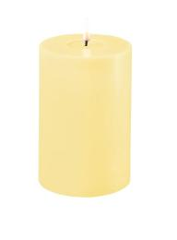 | Light Yellow Pillar Candle 10*15cm | Material : Wax + Plastic | 2284
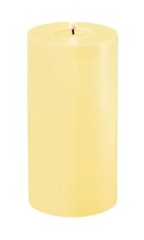 | Light Yellow Pillar Candle 10*20cm | Material : Wax + Plastic | 2450
 | Light Yellow Taper Candles 2 pcs (15 cm) | Material : Wax + Plastic | 365
 | Light Yellow Taper Candles 2 pcs (24 cm) | Material : Wax + Plastic | 224
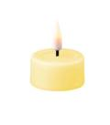 | Light Yellow Tealight 2 pcs | Material : Wax + Plastic | 479
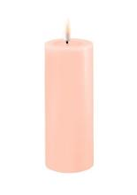 | Light Rose Pillar Candle 5*12.5cm | Material : Wax + Plastic | 1282
 | Light Rose Pillar Candle 5*20cm | Material : Wax + Plastic | 1636
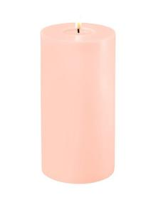 | Light Rose Pillar Candle 10*20cm | Material : Wax + Plastic | 473
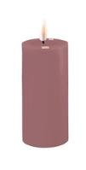 | Light Purple Pillar Candle 5*10cm | Material : Wax + Plastic | 2376
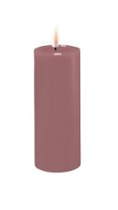 | Light Purple Pillar Candle 5*12.5cm | Material : Wax + Plastic | 2399
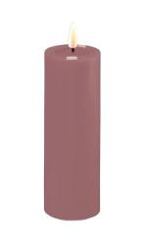 | Light Purple Pillar Candle 5*15cm | Material : Wax + Plastic | 2190
 | Light Purple Pillar Candle 5*20cm | Material : Wax + Plastic | 3140
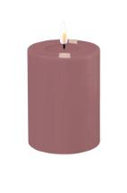 | Light Purple Pillar Candle 7.5*10cm | Material : Wax + Plastic | 761
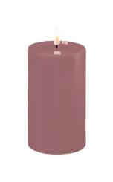 | Light Purple Pillar Candle 7.5*12.5cm | Material : Wax + Plastic | 1226
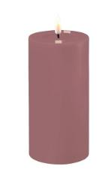 | Light Purple Pillar Candle 7.5*15cm | Material : Wax + Plastic | 790
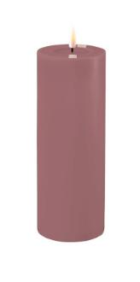 | Light Purple Pillar Candle 7.5*20cm | Material : Wax + Plastic | 849
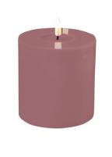 | Light Purple Pillar Candle 10*10cm | Material : Wax + Plastic | 655
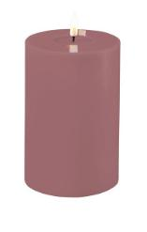 | Light Purple Pillar Candle 10*15cm | Material : Wax + Plastic | 586
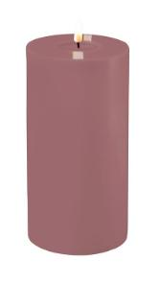 | Light Purple Pillar Candle 10*20cm | Material : Wax + Plastic | 870
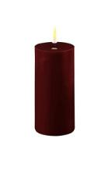 | Bourgogne Pillar Candle 5*10cm | Material : Wax + Plastic | 701
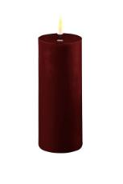 | Bourgogne Pillar Candles 5*12.5cm | Material : Wax + Plastic | 2970
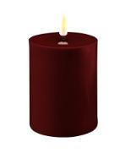 | Bourgogne Pillar Candle 7.5*10cm | Material : Wax + Plastic | 1913
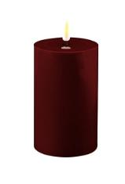 | Bourgogne Pillar Candle 7.5*12.5cm | Material : Wax + Plastic | 2069
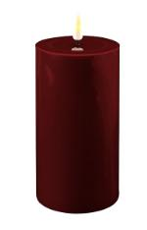 | Bourgogne Pillar Candle 7.5*15cm | Material : Wax + Plastic | 1590
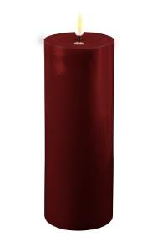 | Bourgogne Pillar Candle 7.5*20cm | Material : Wax + Plastic | 240
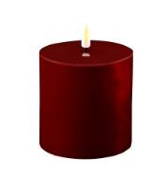 | Bourgogne Pillar Candle 10*10cm | Material : Wax + Plastic | 948
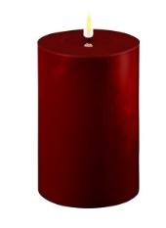 | Bourgogne Pillar Candle 10*15cm | Material : Wax + Plastic | 954
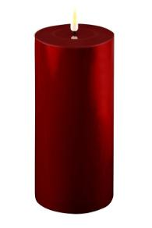 | Bourgogne Pillar Candle 10*20cm | Material : Wax + Plastic | 22
 | Bourgogne Taper Candles 2 pcs (15 cm) | Material : Wax + Plastic | 906
 | Bourgogne Taper Candles 2 pcs (24 cm) | Material : Wax + Plastic | 713
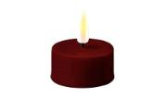 | Bourgogne Tealight 2 pcs | Material : Wax + Plastic | 576
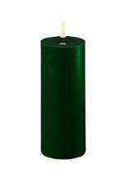 | Dark Green Pillar Candles 5*12.5cm | Material : Wax + Plastic | 621
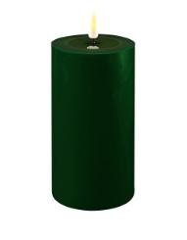 | Dark Green Pillar Candles 7.5*15cm | Material : Wax + Plastic | 322
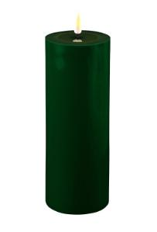 | Dark Green Pillar Candle 7.5*20cm | Material : Wax + Plastic | 116
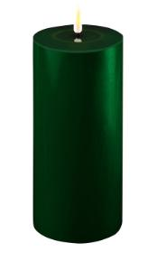 | Dark Green Pillar Candles 10*20cm | Material : Wax + Plastic | 28
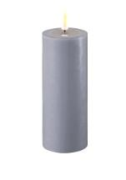 | Dust Blue Pillar Candle 5*12.5cm | Material : Wax + Plastic | 1161
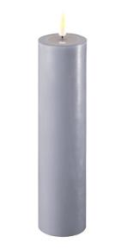 | Dust Blue Pillar Candle 5*20cm | Material : Wax + Plastic | 2023
 | Dust Blue Pillar Candle 7.5*20cm | Material : Wax + Plastic | 4680
 | Dust Blue Pillar Candle 10*20cm | Material : Wax + Plastic | 1319
 | Ice Blue Pillar Candle 5*10cm | Material : Wax + Plastic | 849
 | Ice Blue Pillar Candle 5*12.5cm | Material : Wax + Plastic | 1566
 | Ice Blue Pillar Candle 5*15cm | Material : Wax + Plastic | 1824
 | Ice Blue Pillar Candle 5*20cm | Material : Wax + Plastic | 1062
 | Ice Blue Pillar Candle 7.5*10cm | Material : Wax + Plastic | 971
 | Ice Blue Pillar Candle 7.5*12.5cm | Material : Wax + Plastic | 2053
 | Ice Blue Pillar Candle 7.5*15cm | Material : Wax + Plastic | 2044
 | Ice Blue Pillar Candle 7.5*20cm | Material : Wax + Plastic | 3593
 | Ice Blue Pillar Candle 10*10cm | Material : Wax + Plastic | 1392
 | Ice Blue Pillar Candle 10*15cm | Material : Wax + Plastic | 1469
 | Ice Blue Pillar Candle 10*20cm | Material : Wax + Plastic | 2020
 | Jade Green Pillar Candle 5*12.5cm | Material : Wax + Plastic | 194
 | Jade Green Pillar Candle 5*15cm | Material : Wax + Plastic | 416
 | Jade Green Pillar Candle 5*20cm | Material : Wax + Plastic | 1307
 | Jade Green Pillar Candle 7.5*12.5cm | Material : Wax + Plastic | 120
 | Jade Green Pillar Candle 7.5*15cm | Material : Wax + Plastic | 378
 | Jade Green Pillar Candle 7.5*20cm | Material : Wax + Plastic | 204
 | Jade Green Pillar Candle 10*10cm | Material : Wax + Plastic | 884
 | Jade Green Pillar Candle 10*15cm | Material : Wax + Plastic | 774
 | Jade Green Pillar Candle 10*20cm | Material : Wax + Plastic | 1419
 | Jade Green LED Jumbo Tealight Candle D: 6,1 * 4,5 cm (2 pcs.) | Material : Wax + Plastic | 1336
 | Royal Blue Pillar Candle 5*10cm | Material : Wax + Plastic | 1319
 | Royal Blue Pillar Candle 5*12.5cm | Material : Wax + Plastic | 1433
 | Royal Blue Pillar Candle 5*15cm | Material : Wax + Plastic | 1506
 | Royal Blue Pillar Candle 5*20cm | Material : Wax + Plastic | 1599
 | Royal Blue Pillar Candle 7.5*10cm | Material : Wax + Plastic | 1316
 | Royal Blue Pillar Candle 7.5*12.5cm | Material : Wax + Plastic | 1442
 | Royal Blue Pillar Candle 7.5*15cm | Material : Wax + Plastic | 1340
 | Royal Blue Pillar Candle 7.5*20cm | Material : Wax + Plastic | 1096
 | Royal Blue Pillar Candle 10*10cm | Material : Wax + Plastic | 1049
 | Royal Blue Pillar Candle 10*15cm | Material : Wax + Plastic | 1056
 | Royal Blue Pillar Candle 10*20cm | Material : Wax + Plastic | 1140
 | Royal Blue Tealight 2 pcs | Material : Wax + Plastic | 876
 | Royal Blue Tealights 2 pcs (Jumbo) | Material : Wax + Plastic | 601
 | Dark Purple Pillar Candle 5*12.5cm | Material : Wax + Plastic | 44
 | Dark Purple Pillar Candle 5*15cm | Material : Wax + Plastic | 184
 | Dark Purple Pillar Candle 5*20cm | Material : Wax + Plastic | 286
 | Dark Purple Pillar Candle 7.5*20cm | Material : Wax + Plastic | 262
 | Dark Purple Pillar Candle 10*10cm | Material : Wax + Plastic | 124
 | Dark Purple Pillar Candle 10*15cm | Material : Wax + Plastic | 177
 | Dark Purple Pillar Candle 10*20cm | Material : Wax + Plastic | 201
 | Dark Purple Tea Light 2 pcs (Jumbo) | Material : Wax + Plastic | 110
 | Orange Pillar Candle 5*20cm | Material : Wax + Plastic | 288
 | Orange Pillar Candle 10*15cm | Material : Wax + Plastic | 29
 | Orange Pillar Candle 10*20cm | Material : Wax + Plastic | 189
 | Violet Pillar Candle 5*10cm | Material : Wax + Plastic | 382
 | Violet Pillar Candle 5*12.5cm | Material : Wax + Plastic | 637
 | Violet Pillar Candle 5*15cm | Material : Wax + Plastic | 648
 | Violet Pillar Candle 5*20cm | Material : Wax + Plastic | 278
 | Violet Pillar Candle 7.5*10cm | Material : Wax + Plastic | 1079
 | Violet Pillar Candle 7.5*12.5cm | Material : Wax + Plastic | 1273
 | Violet Pillar Candle 7.5*15cm | Material : Wax + Plastic | 987
 | Violet Pillar Candle 7.5*20cm | Material : Wax + Plastic | 903
 | Violet Pillar Candle 10*10cm | Material : Wax + Plastic | 340
 | Violet Pillar Candle 10*15cm | Material : Wax + Plastic | 225
 | Violet Pillar Candle 10*20cm | Material : Wax + Plastic | 279
 | Violet Taper Candles 2 pcs (15 cm) | Material : Wax + Plastic | 533
 | Violet Taper Candles 2 pcs (24 cm) | Material : Wax + Plastic | 784
 | Violet Tealight 2 pcs | Material : Wax + Plastic | 820
 | Violet Tealight 2 pcs (Jumbo) | Material : Wax + Plastic | 770
 | Magenta Pillar Candle 5*10cm | Material : Wax + Plastic | 669
 | Magenta Pillar Candle 5*12.5cm | Material : Wax + Plastic | 716
 | Magenta Pillar Candle 5*15cm | Material : Wax + Plastic | 782
 | Magenta Pillar Candle 5*20cm | Material : Wax + Plastic | 547
 | Magenta Pillar Candle 7.5*10cm | Material : Wax + Plastic | 1048
 | Magenta Pillar Candle 7.5*12.5cm | Material : Wax + Plastic | 2035
 | Magenta Pillar Candle 7.5*15cm | Material : Wax + Plastic | 1529
 | Magenta Pillar Candle 7.5*20cm | Material : Wax + Plastic | 1104
 | Magenta Pillar Candle 10*10cm | Material : Wax + Plastic | 835
 | Magenta Pillar Candle 10*15cm | Material : Wax + Plastic | 611
 | Magenta Pillar Candle 10*20cm | Material : Wax + Plastic | 699
 | Lavender Pillar Candle 5*10cm | Material : Wax + Plastic | 1182
 | Lavender Pillar Candle 5*12.5cm | Material : Wax + Plastic | 1082
 | Lavender Pillar Candle 5*15cm | Material : Wax + Plastic | 307
 | Lavender Pillar Candle 5*20cm | Material : Wax + Plastic | 155
 | Lavender Pillar Candle 7.5*10cm | Material : Wax + Plastic | 1240
 | Lavender Pillar Candle 7.5*12.5cm | Material : Wax + Plastic | 671
 | Lavender Pillar Candle 7.5*15cm | Material : Wax + Plastic | 710
 | Lavender Pillar Candle 7.5*20cm | Material : Wax + Plastic | 464
 | Lavender Pillar Candle 10*10cm | Material : Wax + Plastic | 817
 | Lavender Pillar Candle 10*15cm | Material : Wax + Plastic | 240
 | Lavender Pillar Candle 10*20cm | Material : Wax + Plastic | 257
 | Rose Pillar Candle 5*20cm | Material : Wax + Plastic | 380
 | Mint Pillar Candle 5*10cm | Material : Wax + Plastic | 423
 | Mint Pillar Candle 5*12.5cm | Material : Wax + Plastic | 562
 | Mint Pillar Candle 5*15cm | Material : Wax + Plastic | 596
 | Mint Pillar Candle 7.5*10cm | Material : Wax + Plastic | 532
 | Mint pillar candle 7.5*12.5cm | Material : Wax + Plastic | 551
 | Mint Pillar Candle 7.5*15cm | Material : Wax + Plastic | 707
 | Mint Pillar Candle 10*10cm | Material : Wax + Plastic | 301
 | Mint Pillar Candle 10*15cm | Material : Wax + Plastic | 306
 | Mint Pillar Candle 10*20cm | Material : Wax + Plastic | 273
 | White Floating Lights 2 pcs, D6,1 | Material : Wax + Plastic | 4651
 | Violet Floating Lights 2 pcs, D6,1 | Material : Wax + Plastic | 2619
 | Rose Floating Lights 2 pcs, D6,1 | Material : Wax + Plastic | 4351
 | Lavender Floating Candles 2 pcs, Ø6,1 | Material : Wax + Plastic | 2134
 | Cream Floating Candles 2 pcs, D6,1 | Material : Wax + Plastic | 2299
 | LED Grave Candle (Sleep sweetly dear) 5x12,5cm | Material : Wax + Plastic | 2015
...

